Dashboard
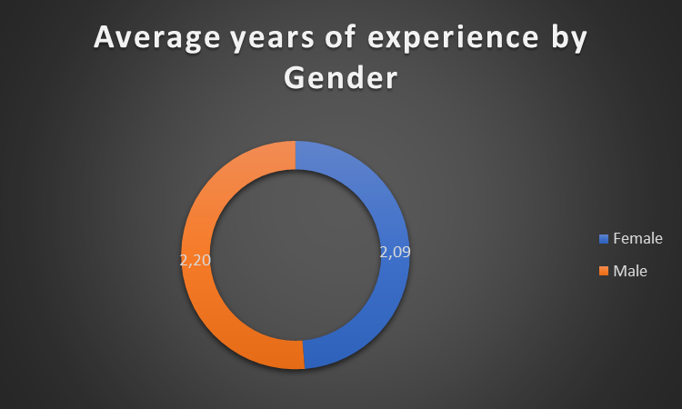
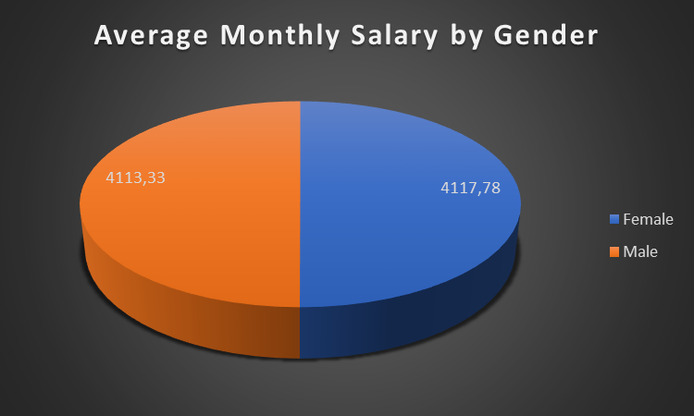

Average Monthly Salary by State
 | Total
Pennsylvania | 4172.73
Florida | 4145.45
Michigan | 4136.36
Ohio | 4118.18
California | 4116.67
New York | 4109.09
Illinois | 4109.09
Texas | 4025.00

